SlabInsulation
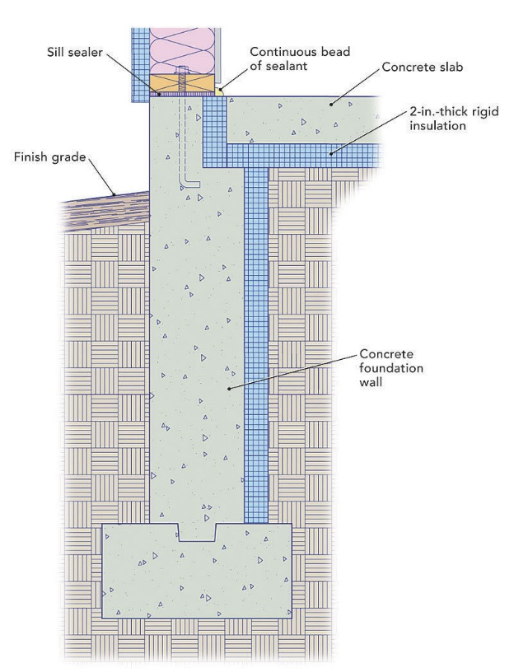
 | Assuming that the slab has a stemwall and footing as shown
 | And that the slab is insulated in the interior of the stem wall and under the slab, but only around the perimeter of the slab
 | Floor with | 40 | ft
 | Floor length | 75 | ft |  |  | Area of strip insulation | 856 | ft2
 | Slab floor area | 3000 | ft2 |  |  | Volume of strip insulatin | 142.67 | ft3
 | Slab perimeter | 230 | ft |  |  | Volume of vertical slab insulation | 0.00 | ft3
 |  |  |  |  |  | Total volumne of slab insulation | 142.67 | ft3
 | Stem wall depth |  |  | 30 | ft | Effective insulation thickness | 0.57 | in
 | Footing width |  |  | 1 | ft
 | Footing thickness/depth |  |  | 10 | in | Total area of 1 inch slab insulation | 285.3 | ft2

 | Slab insulation thickness
 | Vertical insulation b/w slab and stemwall |  |  | 1 | in
 | Horizontal insulation under slab |  |  | 2 | in
 | Vertical insulation on edge of stem wall |  |  | 2 | in
 | Extent of perimeter insulation |  |  | 4 | ft
 | Depth of slab |  |  | 4 | in
 | Depth of vertical insualtion b/w/ slab and sw |  |  | 6 | in

Image from https://www.finehomebuilding.com/2014/07/09/insulating-a-slab-on-grade?

